Greater Than 80
Highlight Cells / Rules / Greater Than.
81
6 |  |  |  |  |  | 81
39 |  |  |  |  |  | 81 | ali
43 |  |  |  |  |  | 39 | aahmed
2 |  |  |  |  |  | 43 | ax
95 |  |  |  |  |  | 65 | c30
5 |  |  |  |  |  | 95 | x30
11 |  |  |  |  |  | 5 | mogamed
86 |  |  |  |  |  | 11 | ali | 0
57 |  |  |  |  |  | 86
 |  |  |  |  |  | 57

 | 81 | 81 | 81 | 81 | 81 | 81
 | 6 | 6 | 6 | 6 | 6 | 6
 |  | 39 | 39 | 39 |  | 39
 | 43 | 43 | 43 | 43 | 43 | 43
 | 65 | 65 | 65 |  | 65
 | 95 | 95 | 95 | 95 | 95 | 95
 | 5 | 0 | #DIV/0! | 5 | 5 | 5
 |  | 11 | 11 | 11 | 11 | 11
 | 86 | 86 |  | 86 | 86 | 86
 | 57 | 57 | 57 | 57 | 57

Above Average
Top/Bottom Rules / Above Average.
81
6 | 81
39 | 6
82 | 39
2 | 43
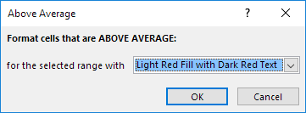
95 | 2
5 | 95
11 | 5
86 | 11
57 | 86
 | 57

Odd Numbers
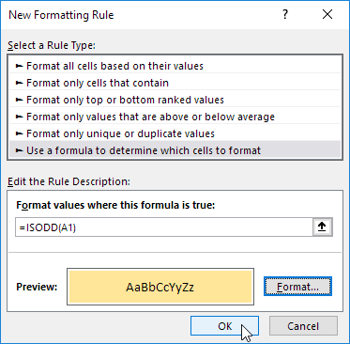
90 | 77 | 33 | 20 | 96
59 | 66 | 20 | 61 | 44
94 | 99 | 97 | 41 | 52
36 | 43 | 70 | 13 | 54
15 | 6 | 28 | 28 | 15

Conditional Formatting / New Rule.

USA Orders
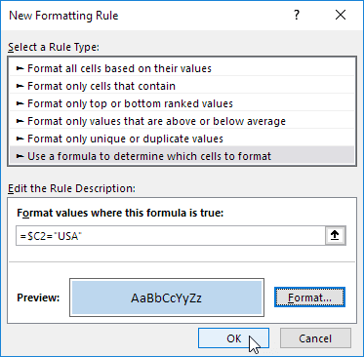
Last Name | Sales | Country | Quarter
Smith | $16,753.00 | UK | Qtr 3
Johnson | $14,808.00 | USA | Qtr 4
Williams | $10,644.00 | UK | Qtr 2
Jones | $1,390.00 | USA | Qtr 3
Brown | $4,865.00 | USA | Qtr 4
Williams | $12,438.00 | UK | Qtr 1

- Select the range A2:D7.
- Conditional Formatting / New Rule.

 |  |  |  |  |  | $

Last Name | Sales | Country | Quarter |  | Last Name | Sales | Country | Quarter
Smith | $16,753.00 | UK | Qtr 3 |  | Smith | $16,753.00 | UK | Qtr 3
Johnson | $14,808.00 | USA | Qtr 4 |  | Johnson | $14,808.00 | USA | Qtr 4
Williams | $10,644.00 | UK | Qtr 2 |  | Williams | $10,644.00 | UK | Qtr 2
Jones | $1,390.00 | USA | Qtr 3 |  | Jones | $1,390.00 | USA | Qtr 3
Brown | $4,865.00 | USA | Qtr 4 |  | Brown | $4,865.00 | USA | Qtr 4
Williams | $12,438.00 | UK | Qtr 1 |  | Williams | $12,438.00 | UK | Qtr 1

 |  |  |  | 1 | 2
 |  |  |  | 2
 |  |  |  | 3

